About
CESTR Capital Eqpt Sales Tax Rate

Source:

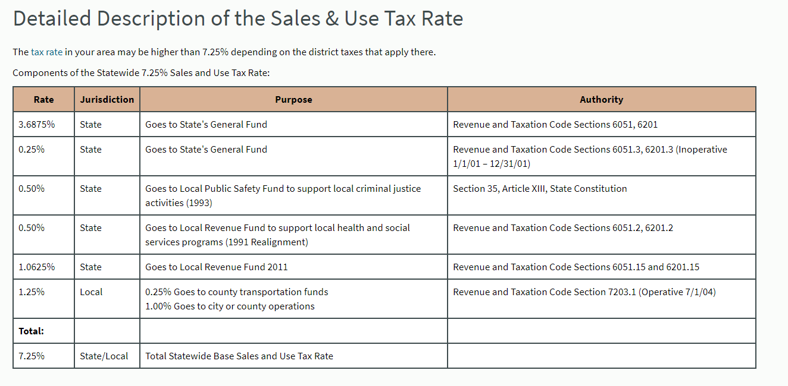

 | http://www.cdtfa.ca.gov/taxes-and-fees/sut-rates-description.htm

 | http://www.cdtfa.ca.gov/formspubs/cdtfa95.pdf | 2% cap on local taxes thought there are some exemptions. Approximate at 1%

 | Exemptions for manufacturing equipment

 | Under the current law partial exemption, qualifying purchases are exempt from 3.9375 percentage points of the overall sales and use tax. The partial exemption currently applies to purchases of:

 | state sales | 7.25
 | state exemption | 3.9375
 | local sales tax | 1.5
 | net | 4.3125

